Sheet1
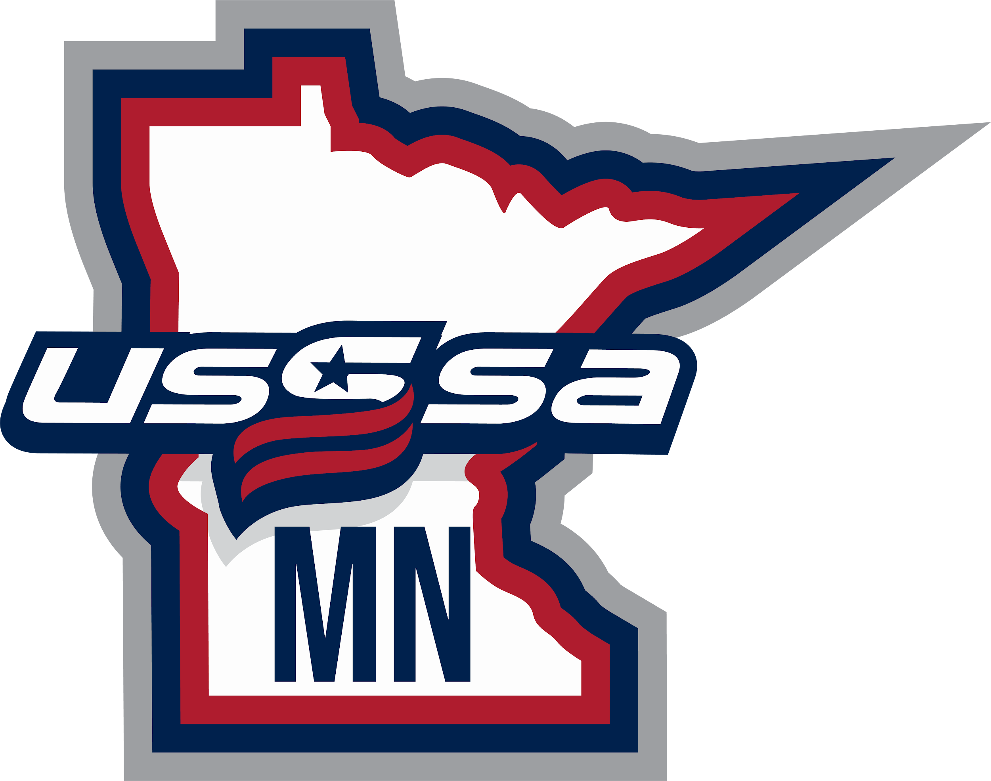  2026 MN USSSA All State Showcase Rosters & Schedule
12U Team 1 |  | 12U Team 2 |  | 12U Team 3 |  | 12U Team 4 |  | 12U Team 5 |  | 12U Team 6 |  | 14U Team 1 |  | 14U Team 2 |  | 14U Team 3
Presley | Baggenstoss | Logan | Barber | Briana | Bear | Lily | Ahlberg | Grace | Balthazor | Jaidyn | Crane | Kinsey | Alvarez | Claire | Guennigsmann | Sophia | Bartels
Kenlee | Brandts | Zoey | Buhrandt | Kaitlyn | Dobs | Brooklynn | Drew | Sophia | Botz | Morgan | Edstrom | Molly | Babcock | Elin | Jorgensen | Cailin | Darling
Charlotte | Crabtree | Hadley | DeCent | Madeline | Gosselin | Madisyn | Friedrich | Ella | Heilman | Makena | Gunderson | Josephine | Bertrand | Paige | Lewis | Avery | Elmes
June | Jancik | Ava | Kapsner | Abigail | Helget | Harper | Genosky | Brynnlee | Janssen | Raelynn | Haider | Ella | Cahill | Macy | Loskota | Brynn | Fredrickson
Emma | Johnson | Izzy | Miron | Olivia | Koester | Eden | Gustafson | Carmen | Kastamo | Liv | Halvorsen | Ella | Egan | Willa | Marson | Addison | Genosky
Julia | LaMotte | Kira | Nelson | Evelyn | Koran | Madelyn | Ison | Mady | Schmitt | Hannah | Hansen | Ramey | Leibel | Madison | Martin | Maddie | Kasper
Madison | Leitner | Ila | Olson | Violet | Maxson | Kennedy | Kockler | Paislee | Sheehy | Alliyah | Jacobs | Alexis | Nalepka | Brynn | Metzger | Isabelle | Meyers
Maisie | Nash | Katelyn | Sandbeck | Cora | Nistler | Emery | Staunton | Jerzi | Trombley | Lauren | Kroon | Emily | Nicola | Jenna | Miller | Kendall | Ranallo
Jorja | Sassen | Izzy | Schuman | Cora | Reed | Paige | Tichich | Mara | Viere | Delanie | Potter | Mya | O'Brien | Lydia | Nichols | Nollie | Reaves
Harper | Seerup | Olivia | Skog | Ava | Schoenrock | Siri | Waterman | Blair | Voit | Allison | Raasch | Kilee | Peine | Sophie | Simons | Ava | Richter
Olivia | Stevermer | Stella | Thole | Paislee | Smith | Camdyn | Weineck | Brielle | Wetzel | Morgan | Roberto | Adalyn | Wiener | Stella | Sterling | Vivienne | Ruhland
Alice | Stoltenow | Reese | Tierney | Madison | Starks |  |  | Brooklyn | Wilson | Kylie | Thaemlitz | Gabrielle | Wiggins | Addison | Yates | Sydney | Rye

14U Team 4 |  | 14U Team 5 |  | 14U Team 6 |  | 14U Team 7 |  | 14U Team 8 |  | 14U Team 9 |  | 16U Team 1 |  | 16U Team 2 |  | 16U Team 3
Aysa | Brekke | Elsa | Behr | Vayda | Brickzin | Alexis | Adams | Johonna | Anderson | Avery | Anderson | Gracie | Asplund | Alexia | Aldrich | Riley | Anderson
Elliana | Delain | Brynn | Kohout-Spidahl | Zoey | Bushman | Addyson | Bird | Mya | Carter | Aubrey | Andrews | Sydney | Beissler | Savanah | Emmans | Ellie | Brielmaier
Naomi | Gehrig | Samantha | Mena | Morgan | Einck | Ava | Chilson | Madeleine | Dorff | Alexa | Burmaster | Mae | Breunig | Jenna | Faymoville | Macy | Herrig
Genevieve | Gerads | Nora | Milich | Shea | Hanson | Sydney | DeFore | Jodi | Logan | Millie | Eilers | Harper | Evans | Taegan | Groess | Lauren | Leet
Amy | Johnson | Katelyn | Nagengast | Freya | Humenny | Peyton | Franzmeier | Annelise | Murray | Adelyn | Ferrian | Nora | Hansen | Marissa | McCloud | Kayleigh | McHone
Sydnee | Karels | McKenzie | Neeser | Lydia | Johnson | Jayden | Heiskari | Hailey | Paulson | Tilly | Fleetham | Lexi | Maser | Jolynn | Moritz | Keira | Rademacher
Kaylee | Khraiss | Makenna | Otterness | Greenley | Junker | Mia | Johnson | Talia | Raw | Lila | Godinez | Morgan | McCoy | MaKenna | Plamann | Alyssa | Rediske
Lucy | Mann | Aina | Rose | Kaylee | Nelson | Mallory | Major | Anna | Roux | Baylee | Gunderson | Sloane | Reilly | Reagan | Rolih | Quinn | Reed
Sydney | Mills | Maizie | Roy | Kenna | Reed | Kaulani | Moua | Cecilia | Shellenberger | Julia | Holste | Hannah | Rugger | Avaiyah | Sandford | Sam | Schmidt
Jaycee | Steckelberg | Jolynn | Sassen | Emma | Roux | Myka | Sauvageau | Samantha | Thompson | Evalyn | Jacobs | Ava | Sondag | Haley | Schreifels | Kaya | Sundell
Kylie | Wirkkala | Victoria | Williams | Ellyson | Steiner | Taylor | Sexton | Olivia | Thornquist | Kallie | Lorenz | Sam | Tretter | Ava | Sturdevant | Jessica | Volk
Sevilla | Young | Mia | Wojciak | Cami | Weber |  |  |  |  | Ava | Panek

16U Team 4 |  | 16U Team 5 |  | 16U Team 6 |  | 16U Team 7 |  | 16U Team 8 |  | 16U Team 9 |  | 18U Team 1 |  | 18U Team 2
Brooke | Bunge | Lanie | Adkins | Ella | Bamlet | Annabelle | Ackerman | Lilly | Anderson | Hadley | Erlandson | Zoe | Gross | Alyana | Koenig
Ali | Busbey | Raynee | Clark | Rylee | Boldt | Mckayla | Arneson | Amelia | Davis | Jamison | Grossklaus | Samantha | Sportel | Madee | Larson
Reese | Coleman | Maggie | Ferril | Lucy | DiMarco | Kylee | Bachmann | Audrey | Fischer | Kyla | Kockler | Mara | Buller | Talli | Roth
Jenna | Haefele | Presley | Hordy | Aliese | Eguia | Lily | Crosby | Kearyn | Gressman | Scarlett | Morrissette | Abby | Jacobson | Addison | Graves
Lily | Mittl | Kate | Jacobson | Charlotte | Ferguson | Kennedy | Ferrier | Alexis | Hoffman | Allison | Olsonoski | Kendall | Coleman | Kate | Lutz
Malaina | Moore | Olivia | Logid | Brynley | Hammer | Brianna | Ganoe | Rylee | Johnson | Emma | Peterson | Amery | Jorgensen | Paige | Flanigan
Lucia | Murphy | Avayah | Patnode | Kendall | Hoff | Morgan | Giles | Lyla | Krejce | Ellysha | Rademacher | Ava | Garcia | Delilah | LeClair
Elliot | Olmstead | Grace | Roach | Lola | Mold | Anna | Lloyd | Leah | Oberlander | Aubrie | Sanson | Hanna | Tobias | Kenley | Nicolas
Kendall | Swann | Courtlynn | Spessard | Amelia | Nordlund | Madalyn | Miller | Ariel | Oskerson | Brooklyn | Tevlin | Annika | Smith
Mercedes | Thompson | Kenley | Staunton | Kyla | Parker | Danielle | Poellinger | Nevaeh | Sibou | Sophia | Theis
 |  |  |  | Emma | Raiolo | Savannah | Wiener | Ellie | Stay

 |  | All State Showcase Field Schedule

 |  | Time |  | Field 1 |  | Field 2 |  | Field 3 |  | Field 4 |  | Field 5 |  | Field 6
 |  | 9:30 AM |  | Team 1 (14U) Team 2 (14U) |  | Team 4 (14U) Team 5 (14U) |  | Team 7 (14U) Team 8 (14U) |  | Team 3 (12U) Team 4 (12U) |  | Team 1 (12U) Team 6 (12U) |  | Team 2 (12U) Team 5 (12U)
 |  | 11:10 AM |  | Team 2 (14U) Team 3 (14U) |  | Team 5 (14U) Team 6 (14U) |  | Team 8 (14U) Team 9 (14U) |  | Team 1 (12U) Team 5 (12U) |  | Team 2 (12U) Team 3 (12U) |  | Team 6 (12U) Team 4 (12U)
 |  | 12:50 PM |  | Team 3 (14U) Team 4 (14U) |  | Team 6 (14U) Team 7 (14U) |  | Team 9 (14U) Team 1 (14U) |  | Team 1 (16U) Team 9 (16U)
 |  | 2:30 PM |  | Team 2 (16U) Team 9 (16U) |  | Team 3 (16U) Team 8 (16U) |  | Team 4 (16U) Team 7 (16U) |  | Team 5 (16U) Team 6 (16U) |  | Team 2 (18U) Team 1 (18U)
 |  | 4:10 PM |  | Team 1 (16U) Team 8 (16U) |  | Team 2 (16U) Team 7 (16U) |  | Team 3 (16U) Team 6 (16U) |  | Team 4 (16U) Team 5 (16U) |  | Team 1 (18U) Team 2 (18U)

 |  | 80 Minute Games with Umpires
 |  | Check In 90 minutes before 1st game
 |  | Sand Creek Athletic Complex: 1008 Northdale Blvd NW Coon Rapids, MN 55448
 |  | Ages are what was played this past Summer season
 |  | Concessions On Site!
 |  | Wear Black Pants & Any Color Socks. You will get a Jersey to wear at Check In.
 |  | The Team listed 1st will warm up behind Left Field. The Team listed 2nd will warm up behind Right Field.

