Home
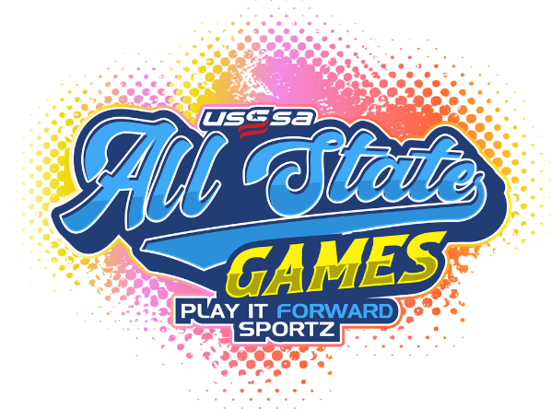
2026 PLAY IT FORWARD SPORTZ

TABS

Coaches List
8U ROSTERS
10B ROSTERS
10C ROSTERS
12B ROSTERS
12C ROSTERS
14B ROSTERS
14C ROSTERS | Complex Address:
HS ROSTERS | O'Fallon Family Sports Park
 | 301 Obernuefferman Dr
VIEW GAME SCHEDULES | O'Fallon, IL
PLAYER/COACH CHECK-IN TIMES

VIEW RULES AND INFORMATION
VIEW SKILLS COMPETITION TIME AND LOCATION
VIEW SKILLS COMPETITION INFO
VIEW Complex Map and Activities
VIEW Lunch Info
VIEW FAQ

Home With Links
2026 PLAY IT FORWARD SPORTZ ALL-STATE ROSTERS

Division | Open Rosters
8U | View 8U Rosters
10B | View 10B Rosters
10C | View 10C Rosters
12B | View 12B Rosters
12C | View 12C Rosters
14B | View 14B Rosters
14C | View 14C Rosters
HS | View HS Rosters
Coaches List | View Coaches List
 |  |  | Complex Address:
QUICK LINKS |  | O'Fallon Family Sports Park
 |  | 301 Obernuefferman Dr
VIEW GAME & SKILLS SCHEDULE
PLAYER/COACH CHECK-IN TIMES
View Rules and Information
VIEW SKILLS COMPETITION INFO
VIEW Complex Map and Activities
VIEW Lunch Info
VIEW FAQ

Check-In

← Back to Home
 |  | 2026 Play it Forward Sportz
All-State Games

 |  |  |  | Coach's Meeting for 8U, 10B, 10C, 12A/B & 12C, is at 8:20. 14A/B/C and HS is at 1:20 behind field 5 near the USSSA tent. *There is a 14C game that starts at 12:45, those coaches can come to the tent anytime before your game to pick up your game package.

 | Players will check in indiviually to receive their Jersey, bag, bag tag and ring. This will also be where players trading cards (if ordered) will be picked up! |  | Coach's Meeting's and Check-In will be held at 8:15, 10:15 and 1:15 under the pavillion between the two quads (see map for location).

 |  |  | This is where you pick up your ring, coaches shirt, meal tickets, instruction, etc…

Skills Competition
← Back to Home
2026 Play it Forward Sportz
All-State Games



SCROLL DOWN FOR ADDITIONAL INFORMATION

 |  | Please make plans and review times for your skills competitions. Some of the times overlap with games being played but there should be plenty of time slots available for those who registered for the events. Coaches, keep these times (see previous tab of times) in mind when scheduling practice/warm ups for your teams.

SKILLS COMPETITIONS
Please see "Game and Skills Schedule Tab for times and locations |  | The results of the Skills Competitons can be found on the USSSA App under the Leader board tab. Awards (1st and 2nd) will be presented in the following age groups: 8U, 10C, 10Open, 12C, 12Open, 14C, 14Open, HS. In some cases, you will have to look at multiple ages/classes to determine the winner. For example: 11A, 11B, 12A, and 12B will be on different leadboards but the 4 of them will determine the 12 Open winners.
 | Awards Presentation will be held at 3:30 by the DJ (see map) between the two quads
THROWING COMPETITION - No Sign up Required
Each participant will receive 1 throw. Participants will throw from a designated point on the field, directly in front of them towards the "outfield." The ball will not be measured until it comes to a complete stop. The top two finishers per age group (8 - 10A/B - 10C - 12A/B - 12C - 14A/B - 14C and 16/18) will receive an award. Softballs provided. Players are asked to shag their softball after the competition. |  | Arrive at the scheduled time or risk not being able to participate!
BASE RACE - No Sign up Required - |  | The Skills Competitions will end at 3:00pm! Awards will be handed out at 3:30pm. Please look at the schedule carefully to ensure you are able to compete. You may show up at a field not designated for your age, but you may have to wait until the scheduled age group has finished.
Participates will be timed while running from home plate, around the bases (touching each base) back to home plate. Fastest time wins! The top two finishers per age group (8 - 10A/B - 10C - 12A/B - 12C - 14A/B - 14C and 16/18) will receive an award.
DIZZY BAT - No Sign up Required
This will be a 4-person race. Team members must spin 8 circles around a “dizzy bat” and run a specified distance. The clock will start as soon as the participant’s forehead touches a bat. One team member must be a Coach or a Parent. Teams can enter as many teams as they want, but players can only participate on one team. Example: Suzy can be on Team 1, but she cannot participate on Team 2, 3 or 4. A Coach/Parent must participate on every team, but the same rules apply. The top two teams in each division, with the shortest time, will win an award.

PITCHING VELOCITY COMPETITION

Each participant will get one warm-up pitch followed by 3 “clocked” pitches. Highest speed on an individual pitch will win the contest. In case of a tie, the 2nd fastest speed will be used to break the tie. If necessary, the third fastest pitch will be used if tied after the 2nd fastest pitch. The top 2 individuals per age group will win awards.

CATCHER'S COMPETITION

The catcher will place all of their equipment near the base. Their task is to apply all of their gear (shin guards, chest protector, glove and mask), sprint to the next base and back to then remove their gear. Each participant needs to bring their own catcher’s gear. Once the last piece of gear hits the ground, time will stop. The top 2 finishers in each age group from the competition will receive awards.

Coaches/Parents Costume Competition - Not required
The theme of this years All State Games is "Things that are Fast." Dress in your best costume that represents your team name and be entered to win prizes for your team! Bownet, a dozen balls, ball bag, etc.

Map of Complex and Activities
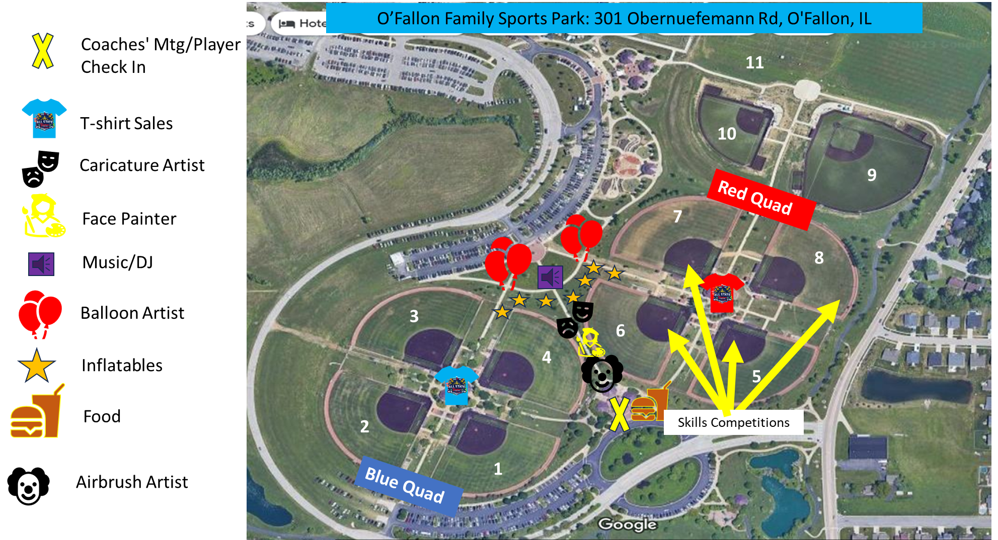
← Back to Home
 | Pavillion 1 sits between the two quads (where the yellow X is on the map) that will be the check- in for the players, the check-in for the coaches and where the food for the players and coaches will be.

 | Players will check in indiviually to receive their Jersey, bag, bag tag and ring. This will also be where players trading cards (if ordered) will be picked up!

Lunch

← Back to Home
2026 Play it Forward Sportz
All-State Games

Each Player and Coach will Receive a lunch. *SEE MAP FOR LOCATION

